One Variable Data Table
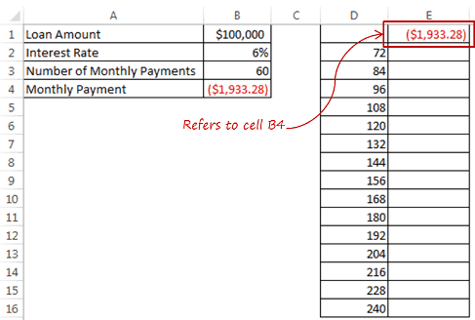
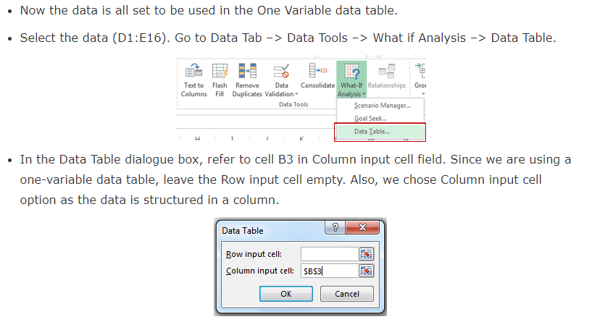
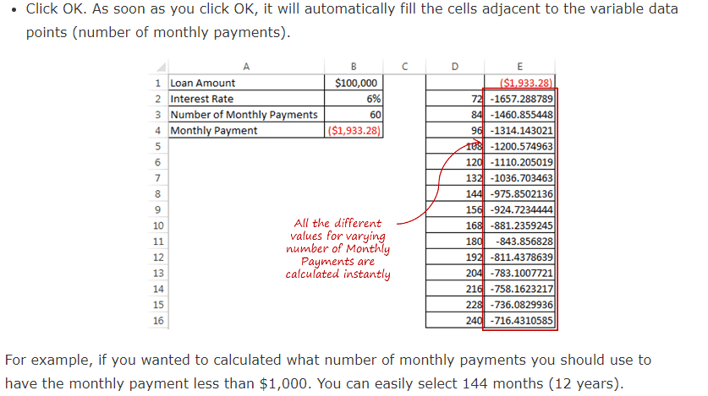
One Variable Data Table in Excel
One variable Data Table in Excel is most suited in situations when you want to see how the final result changes when you change one of the input variables.
In the data set, we have the Loan Amount, Interest Rate, and Number of Monthly payments.
The Monthly Payment value is calculated based on these three variables (it is in red as it is an outflow of money). The following formula is used to calculate the Monthly Payment:
=PMT(B2/12,B3,B1)
You may want to do an analysis to see what number of monthly payments suits your condition, and how would the monthly payment vary based on it. For example, you may want to keep the tenure of your loan (number of monthly payments) such that your Monthly Payment amount is not more than $1,000.
A quick way is to change the data in this table and the formula would automatically update. However, if you want to test if for many different Number of Monthly Payments, then a One Variable Data Table in Excel would be the way to go.
Setting Up a One Variable Data Table in Excel
Here are the steps to set up a One variable data table in Excel:
In a column, have all the different values of Number of Monthly Payments that you want to test. In this example, we are testing for 72, 84, 96… 240.
Loan Amount | $100,000 |  | ($1,933.28)
Interest Rate | 6% | 72 | -1657.2887893
Number of Monthly Payments | 60 | 84 | -1460.8554484
Monthly Payment | ($1,933.28) | 96 | -1314.143021
 |  | 108 | -1200.5749631
 |  | 120 | -1110.2050194
 |  | 132 | -1036.7034627
 |  | 144 | -975.85021358
 |  | 156 | -924.7234444
 |  | 168 | -881.23592453
 |  | 180 | -843.85682805
 |  | 192 | -811.43786389
 |  | 204 | -783.10077212
 |  | 216 | -758.16232174
 |  | 228 | -736.08299356
 |  | 240 | -716.43105848

A data table is a range of cells in which you can change values in some in some of the cells and come up with different answers to a problem.
A good example of a data table employs the PMT function with different loan amounts and interest rates to calculate the affordable amount on a home mortgage loan.
Experimenting with different values to observe the corresponding variation in results is a common task in data analysis.

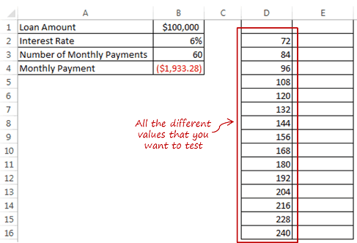

Type =B4 in cell E1, which is one row above the values in the adjacent column to the right. This is a construct that needs to be followed when you work with one variable data table in Excel. Also, make sure that the value in cell E1 is dependent on Number of Monthly Payments. It won't work if you manually enter the value in cell E1.
In this case, cell E1 refers to cell B4, which has a value calculated using a formula which uses cells B1, B2 and B3.

Two Variable Data Table
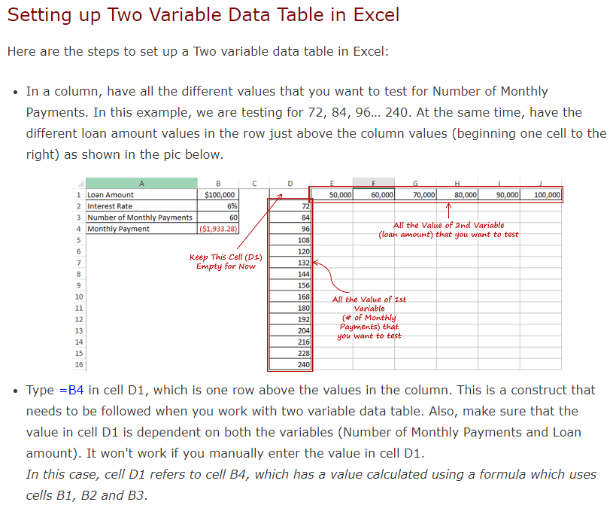
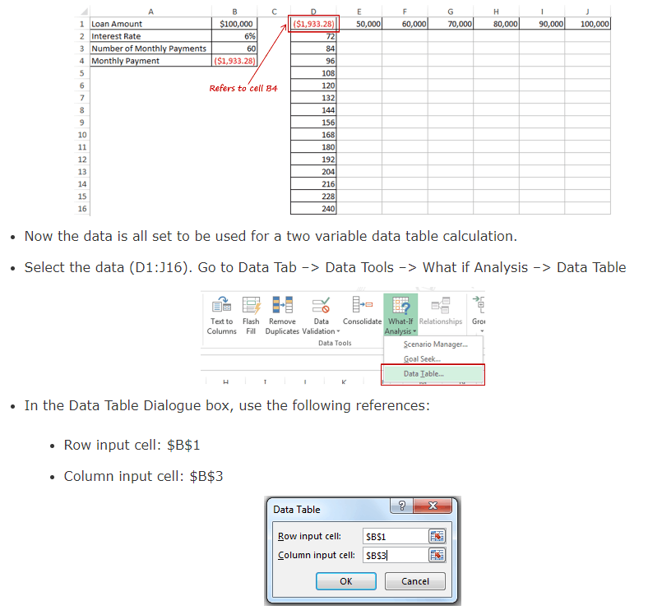
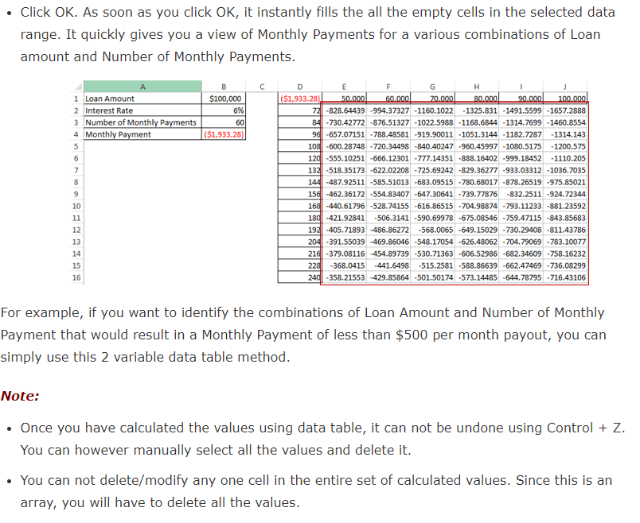
Two Variable Data Table in Excel
Two-variable data table is best suited in situations when you want to see how the final result changes when two of the input variables change simultaneously.
If you want to analyze data when more than 2 variables change, scenario manager is the way to go.
In the above data set, we have the Loan Amount, Interest Rate, and Number of Monthly payments. Based on these 3 input variables, Monthly Payment is calculated (it is in red as it is an outflow of money). The following formula is used to calculate the Monthly Payment:
=PMT(B2/12,B3,B1)
Now you may want to do an analysis to see what should be the ideal combination of Loan Amount and Number of Monthly Payment to suit your requirement. For example, you may want to keep the Monthly Payment at $500 or less, and analyze what Loan Amount and Tenure combination can give you this.
In such a situation, a two variable data table should be used.
Loan Amount | $100,000 | ($1,933.28) | $50,000.00 | $60,000.00 | $70,000.00 | $80,000.00 | $90,000.00 | $100,000.00
Interest Rate | 6% | 72 | -$828.6 | -$994.4 | -$1,160.1 | -$1,325.8 | -$1,491.6 | -$1,657.3
Number of Monthly Payments | 60 | 84 | -$730.4 | -$876.5 | -$1,022.6 | -$1,168.7 | -$1,314.8 | -$1,460.9
Monthly Payment | ($1,933.28) | 96 | -$657.1 | -$788.5 | -$919.9 | -$1,051.3 | -$1,182.7 | -$1,314.1
 |  | 108 | -$600.3 | -$720.3 | -$840.4 | -$960.5 | -$1,080.5 | -$1,200.6
 |  | 120 | -$555.1 | -$666.1 | -$777.1 | -$888.2 | -$999.2 | -$1,110.2
 |  | 132 | -$518.4 | -$622.0 | -$725.7 | -$829.4 | -$933.0 | -$1,036.7
 |  | 144 | -$487.9 | -$585.5 | -$683.1 | -$780.7 | -$878.3 | -$975.9
 |  | 156 | -$462.4 | -$554.8 | -$647.3 | -$739.8 | -$832.3 | -$924.7
 |  | 168 | -$440.6 | -$528.7 | -$616.9 | -$705.0 | -$793.1 | -$881.2
 |  | 180 | -$421.9 | -$506.3 | -$590.7 | -$675.1 | -$759.5 | -$843.9
 |  | 192 | -$405.7 | -$486.9 | -$568.0 | -$649.2 | -$730.3 | -$811.4
 |  | 204 | -$391.6 | -$469.9 | -$548.2 | -$626.5 | -$704.8 | -$783.1
 |  | 216 | -$379.1 | -$454.9 | -$530.7 | -$606.5 | -$682.3 | -$758.2
 |  | 228 | -$368.0 | -$441.6 | -$515.3 | -$588.9 | -$662.5 | -$736.1
 |  | 240 | -$358.2 | -$429.9 | -$501.5 | -$573.1 | -$644.8 | -$716.4

